PB COMMENTS
Date: 08/09/2021
Country | Energy.type | Last.stage | Method | Machine | Eu.product | Quantity | 1960 | 1961 | 1962 | 1963 | 1964 | 1965 | 1966 | 1967 | 1968 | 1969 | 1970 | 1971 | 1972 | 1973 | 1974 | 1975 | 1976 | 1977 | 1978 | 1979 | 1980 | 1981 | 1982 | 1983 | 1984 | 1985 | 1986 | 1987 | 1988 | 1989 | 1990 | 1991 | 1992 | 1993 | 1994 | 1995 | 1996 | 1997 | 1998 | 1999 | 2000 | 2001 | 2002 | 2003 | 2004 | 2005 | 2006 | 2007 | 2008 | 2009 | 2010 | 2011 | 2012 | 2013 | 2014 | 2015 | 2016 | 2017 | 2018 | 2019 | 2020
WLD | E | Final | PCM | Electro-chemical processors | HTH.960.C | eta.fu | 30.00% | 30.23% | 30.47% | 30.70% | 30.94% | 31.18% | 31.42% | 31.66% | 31.91% | 32.15% | 32.40% | 32.65% | 32.91% | 33.16% | 33.42% | 33.68% | 33.94% | 34.20% | 34.46% | 34.73% | 35.00% | 35.23% | 35.47% | 35.71% | 35.95% | 36.19% | 36.43% | 36.67% | 36.92% | 37.17% | 37.42% | 37.67% | 37.92% | 38.17% | 38.43% | 38.69% | 38.95% | 39.21% | 39.47% | 39.73% | 40.00% | 40.20% | 40.45% | 40.70% | 40.95% | 41.20% | 41.45% | 41.70% | 41.95% | 42.20% | 42.45% | 42.70% | 42.95% | 43.20% | 43.45% | 43.70% | 43.95% | 44.20% | 44.45% | 44.70% | 44.95%

 |  |  | PB comments |  |  | ZM Comments
 |  |  | 1 | is this a placeholder value? |  | Now based on Ayres et al (2005)

Ayres_2005
Ayres et al (2005) - On The Efficiency of Electricity Usage Since 1900
https://doi.org/10.1016/j.energy.2004.07.012

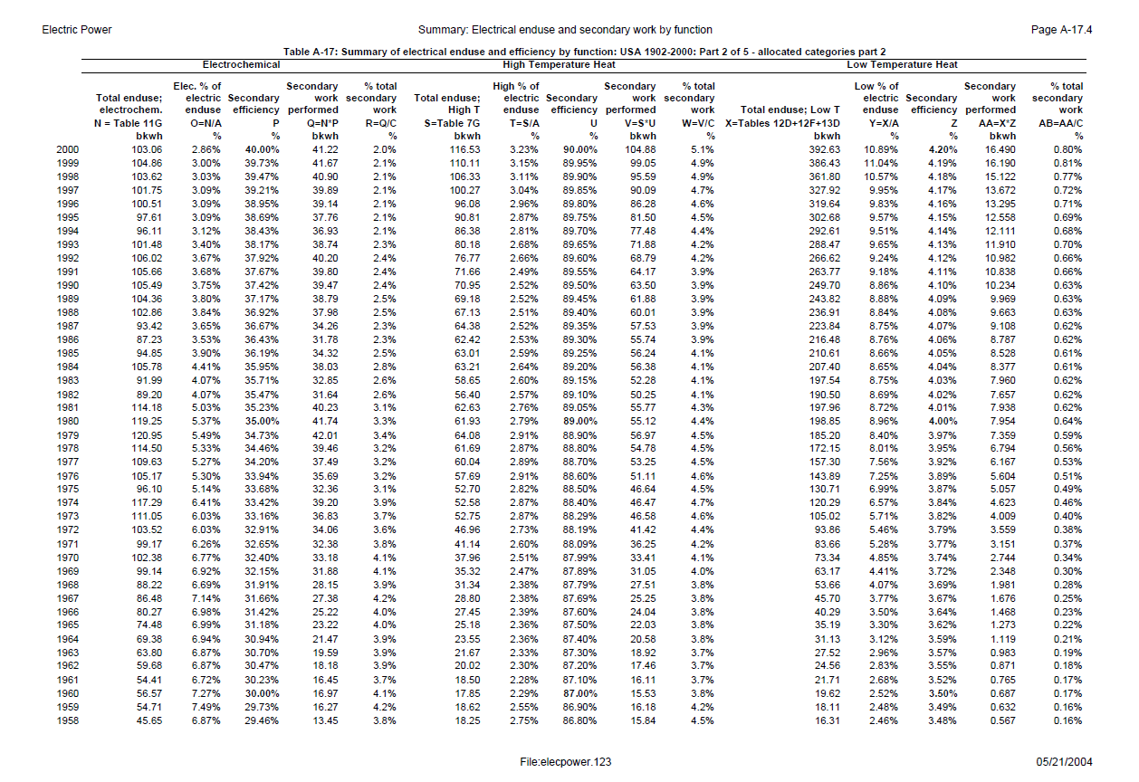
Table A-17: Summary of electrical enduse and efficiency by function: USA 1902-2000: Part 2 of 5 allocated categories part 2
 | Electrochemical
Year | Total enduse; electrochem. N Table 11G bkwh | Elec. % of electric enduse O=N/A % | Secondary efficiency P % | Secondary work performed Q=N*P bkwh | % total secondary work R=Q/C %
2000 | 103.06 | 2.86% | 40.00% | 41.22 | 2.00%
1999 | 104.86 | 3.00% | 39.73% | 41.67 | 2.10%
1998 | 103.62 | 3.03% | 39.47% | 40.9 | 2.10%
1997 | 101.75 | 3.09% | 39.21% | 39.89 | 2.10%
1996 | 100.51 | 3.09% | 38.95% | 39.14 | 2.10%
1995 | 97.61 | 3.09% | 38.69% | 37.76 | 2.10%
1994 | 96.11 | 3.12% | 38.43% | 36.93 | 2.10%
1993 | 101.48 | 3.40% | 38.17% | 38.74 | 2.30%
1992 | 106.02 | 3.67% | 37.92% | 40.2 | 2.40%
1991 | 105.66 | 3.68% | 37.67% | 39.8 | 2.40%
1990 | 105.49 | 3.75% | 37.42% | 39.47 | 2.40%
1989 | 104.36 | 3.80% | 37.17% | 38.79 | 2.50%
1988 | 102.86 | 3.84% | 36.92% | 37.98 | 2.50%
1987 | 93.42 | 3.65% | 36.67% | 34.26 | 2.30%
1986 | 87.23 | 3.53% | 36.43% | 31.78 | 2.30%
1985 | 94.85 | 3.90% | 36.19% | 34.32 | 2.50%
1984 | 105.78 | 4.41% | 35.95% | 38.03 | 2.80%
1983 | 91.99 | 4.07% | 35.71% | 32.85 | 2.60%
1982 | 89.2 | 4.07% | 35.47% | 31.64 | 2.60%
1981 | 114.18 | 5.03% | 35.23% | 40.23 | 3.10%
1980 | 119.25 | 5.37% | 35.00% | 41.74 | 3.30%
1979 | 120.95 | 5.49% | 34.73% | 42.01 | 3.40%
1978 | 114.5 | 5.33% | 34.46% | 39.46 | 3.20%
1977 | 109.63 | 5.27% | 34.20% | 37.49 | 3.20%
1976 | 105.17 | 5.30% | 33.94% | 35.69 | 3.20%
1975 | 96.1 | 5.14% | 33.68% | 32.36 | 3.10%
1974 | 117.29 | 6.41% | 33.42% | 39.2 | 3.90%
1973 | 111.05 | 6.03% | 33.16% | 36.83 | 3.70%
1972 | 103.52 | 6.03% | 32.91% | 34.06 | 3.60%
1971 | 99.17 | 6.26% | 32.65% | 32.38 | 3.80%
1970 | 102.38 | 6.77% | 32.40% | 33.18 | 4.10%
1969 | 99.14 | 6.92% | 32.15% | 31.88 | 4.10%
1968 | 88.22 | 6.69% | 31.91% | 28.15 | 3.90%
1967 | 86.48 | 7.14% | 31.66% | 27.38 | 4.20%
1966 | 80.27 | 6.98% | 31.42% | 25.22 | 4.00%
1965 | 74.48 | 6.99% | 31.18% | 23.22 | 4.00%
1964 | 69.38 | 6.94% | 30.94% | 21.47 | 3.90%
1963 | 63.8 | 6.87% | 30.70% | 19.59 | 3.90%
1962 | 59.68 | 6.87% | 30.47% | 18.18 | 3.90%
1961 | 54.41 | 6.72% | 30.23% | 16.45 | 3.70%
1960 | 56.57 | 7.27% | 30.00% | 16.97 | 4.10%
1959 | 54.71 | 7.49% | 29.73% | 16.27 | 4.20%
1958 | 45.65 | 6.87% | 29.46% | 13.45 | 3.80%

Reversed Data
Year | Secondary efficiency P %
1958 | 29.46%
1959 | 29.73%
1960 | 30.00%
1961 | 30.23%
1962 | 30.47%
1963 | 30.70%
1964 | 30.94%
1965 | 31.18%
1966 | 31.42%
1967 | 31.66%
1968 | 31.91%
1969 | 32.15%
1970 | 32.40%
1971 | 32.65%
1972 | 32.91%
1973 | 33.16%
1974 | 33.42%
1975 | 33.68%
1976 | 33.94%
1977 | 34.20%
1978 | 34.46%
1979 | 34.73%
1980 | 35.00%
1981 | 35.23%
1982 | 35.47%
1983 | 35.71%
1984 | 35.95%
1985 | 36.19%
1986 | 36.43%
1987 | 36.67%
1988 | 36.92%
1989 | 37.17%
1990 | 37.42%
1991 | 37.67%
1992 | 37.92%
1993 | 38.17%
1994 | 38.43%
1995 | 38.69%
1996 | 38.95%
1997 | 39.21%
1998 | 39.47%
1999 | 39.73%
2000 | 40.00%

